User guide
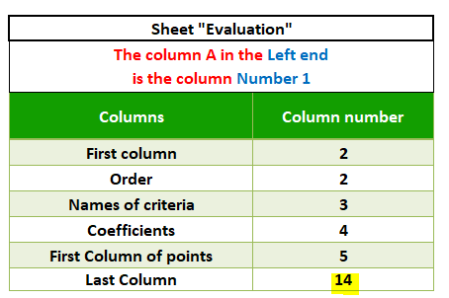
 | Using the project selection template
 | Make sure the macros are activated for the effective functioning of the template

 | I. How to use the template
 | 1. "Selection criteria" sheet
 | Take a look at the 5 response options available for each criterion. These possibilities take the form of a score that ranges from –2 to +2. With that being said, the criteria don't all have the same importance, so we will define, for each criterion, a weight. After the strategic definitions for the effective period, each criterion will receive a weighting ranging from 0 to 4, thus making it possible not to consider any criterion during the projects evaluation, or to reinforce a specific criterion at the expense of others.
 | Projects categorization and selection criteria : | Start listing the project categorization and selection criteria: Criterion C1, Criterion C2, etc.
 | Responses to criteria and allotted points: | These responses have been categorized to make it easier for you to weight the responses according to the given coefficients.
 | Weighting coefficient : | Assign a weighting coefficient for each criterion: from 0 to 4. You can modify these values either in the "selection criterion" sheet or directly from the "evaluation" sheet.

 | 2. "Evaluation" sheet
 | "Project categorization and selection criteria": Criterion C1, Criterion C2, Criterion C3…. This column automatically contains the data already entered in the "selection criteria" sheet
 | Afterwards, if you want to modify any criterion (C1, C2,...) you need to do it from the "selection criteria sheet" :

 | Put the answers to the corresponding criteria by choosing a criterion from the drop-down list.
 | In order to do that, you need to replace the existing data with your own responses, as follows :

 | Total project points :
 | The total is calculated automatically for each project, by multiplying the coefficient by the score for each selection criterion and by summing all these scores.

 | Based on the results, decisions need to be made about project selection. Example 1: projects with total points are greater than 0 will be retained, while those with total points are less than 0 will be rejected. Example 2: Only priority P1 projects will be selected. P2s will be re-examined, and the others discarded

 | II. Template customization

 | "Selection criteria" sheet
 | To add a row - i.e. a new categorization criterion - at the end of the table, you need to copy the last row and paste it just below.

 | "Settings" sheet
 | Unlock the sheet using the password provided
 | If you want to modify something in the settings, you'll need to use the password provided, as shown in the screenshot below
 | Adding, deleting, or modifying an element
 | To add a new line between the existing lines, proceed as follows in the "Selection criteria" sheet: 1. Select the field above which you want to add a new line 2. Click on the "Plus" button then "Yes" 3. Add the caption, complete the row, and assign a weighting factor of your choice. Here's how to do it:

 | * Adding a weighting coefficient
 | 1. Go to the settings sheet 2. Type the new value below the last line as shown in the screenshot below.
 | 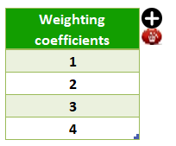 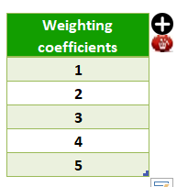
 | * Adding a new priority (Pn)
 | 1. Go to the settings sheet
 | 2. Type the new value below the last row as shown in the screenshot below, then assign a minimum value (Min).

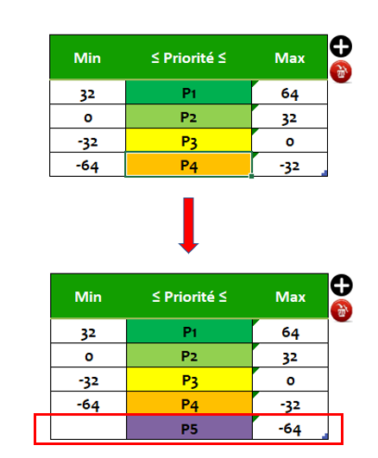
 | To remove a row, follow the same steps you used above for adding it. Only, this time you will use the delete icon in red, as shown below :

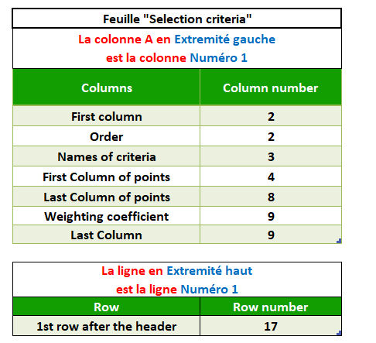
 | * Addition of responses to criteria
 | To add a new value (-3) or (+3) for instance, proceed as follows:
 | Go to the settings sheet. Refer to the column numbering in the table below. Here, the numbers correspond to the column numbers of the "selection criteria" sheet:

 | You can see in the screenshot above that column H is the 8th column starting from the left. So if you want to add the value "3" as a new criteria answer. Proceed as follows: 1. Insert the column in the "selection criteria" sheet to the right of column H 2. Go back to the settings, and change the number 8 to 9 (this means that the last column of points is the one you just added). 3. Still in the parameters, change the following digits: thus, you will put 10 instead of 9 next to the "coefficients" column, and same for the "Last" column. Proceed with the same logic to add a number of response to criteria in minus or plus (-3, -4 ...) or (+3, +4 ...). So, if you also want to add a response number (-3); insert the column first, then return to the settings in order to change the number of the shifted columns (ie: the "Last column of points", the "coefficients", and the "Last".
 | So think carefully about the impact of any change in the settings before taking any action.

 | * Add a new project column in the "Evaluation" sheet
 | 1. Go the Settings tab
 | 2. Fill in the total number of projects you wish to display

 | In the example above, the "number of projects" is 10, which means that you should put this number in the settings, column L:
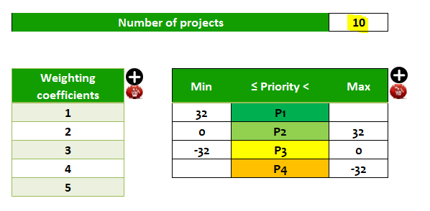

 | 3. Then fill in the number of the "last column" in the settings :

Selection criteria
Project selection criteria

 | Name/ Project code | Project 1/ABC |  |  | Creation date | 2022-01-01

 | Reference | Programme PG01/Portfolio PF02 |  |  | Version date | 2022-01-01

 | Project manager | Mme.Dupont |  |  | Version number | V2.3

Update
 | Service/Organization | Marketing/ Society XY
Each criterion has 5 possible answers, which will result in a punctuation ranging from –2 to +2. Then, after the strategic definitions for the ongoing period, each criterion will receive a weighting of 0, 1, 2, 3, or 4, thus making it possible not to consider a criterion during the evaluation of projects, or to reinforce a specific criterion at the expense of others.
Code | Project categorization and selection criteria | Responses to criteria and points attributed |  |  |  |  | Weighting coefficient
 |  | -2 | -1 | 0 | 1 | 2
C1 | Level of consistency with the company's mission | Strongly inconsistent | A little inconsistent | Neutral | Consistent | Strengthens the mission | 1
C2 | Level of consistency and alignment with strategy | Strongly inconsistent | A little inconsistent | Neutral | Consistent | Support the strategy (two or more axes) | 3
C3 | Level of urgency of the project | Without specific deadlines | Flexible | Normal | In a hurry | So urgent | 3
C4 | Stability of project objectives | Chaotic | Inconstant | Moderate risks | relatively stable | So stable | 1
C5 | Stakeholder support | Strong opposition | Some oppositions | Stable | Good support | Unconditional support | 1
C6 | Project duration | Very long> 3 years | Long from 18 months to 3 years | Normal from 12 to 18 months | Short from 3 to 12 months | Very short <3 months | 3
C7 | Project cost (Capex + External Opex) | Very high> $ 2 million | High from $ 1 to $ 2 million | Average $ 0.2 to $ 1 million | Inexpensive <$ 2K | Almost cost-free | 3
C8 | Cost x benefit ratio | Very expensive and few results | Expensive and few results | Reasonable balance | Favorable ratio | Very Favorable ratio | 3
C9 | Resources availability | Strong competition for resources | Requires some rework | Can be allocated | Readily available | Available and without attribution | 2
C10 | Level of risk of the project during its execution | Very risky | Medium risk | Little risk | Almost without risk | No risk | 2
C11 | Level of complexity of the project | Very complexe | Complexe | Moderately complex | Quite simple | Very simple | 2
C12 | Innovation character | Almost obsolete | Without any novelty | Some novelties | Innovant | Revolutionary | 1
C13 | Possibility of reusing project results (duplication, pooling, etc.) | None | Little and with strong adaptation | Transfer possibilities | Reuse possible | Total reuse | 2
C14 | Development of internal skills | Considerable challenges | Strong learning | Normal learning | scarcely | None | 2
C15 | Sustainability of impacts after the end of the project | None | Some days | Some weeks | Some months | Some years | 1
C16 | Others |  |  |  |  |  | 1

Evaluation
Project selection

 | Name/ Project code | Project 1/ABC |  |  | Creation date | 2022-01-01 |  | Date de creation |  |  | 2022-01-01

 | Reference | Programme PG01/Portfolio PF02 |  |  | Version date | 2022-01-01 |  | Date de la version |  |  | 2022-01-01

 | Project manager | Mme.Dupont |  |  | Version number | V2.3 |  | Version number |  |  | V2.3

 | Service/Organization | Marketing/ Society XY

Code | Project categorization and selection criteria | Weighting coefficient | Projet 1 | Projet 2 | Projet 3 | Projet 4 | Projet 5 | Projet 6 | Projet 7 | Projet 8 | Projet 9 | Projet 10
C1 | Level of consistency with the company's mission | 1 | Neutral | Strongly inconsistent | A little inconsistent | Consistent | Strengthens the mission
C2 | Level of consistency and alignment with strategy | 3 | Support the strategy (two or more axes) | Strongly inconsistent | A little inconsistent | Consistent | Neutral
C3 | Level of urgency of the project | 3 | Without specific deadlines | So urgent | In a hurry | Flexible | In a hurry
C4 | Stability of project objectives | 1 | So stable | Chaotic | Inconstant | relatively stable | relatively stable
C5 | Stakeholder support | 1 | Unconditional support | Strong opposition | Strong opposition | Good support | Good support
C6 | Project duration | 3 | Very short <3 months | Very long> 3 years | Long from 18 months to 3 years | Short from 3 to 12 months | Short from 3 to 12 months
C7 | Project cost (Capex + External Opex) | 3 | Almost cost-free | Very high> $ 2 million | High from $ 1 to $ 2 million | Inexpensive <$ 2K | Almost cost-free
C8 | Cost x benefit ratio | 3 | Very Favorable ratio | Very expensive and few results | Expensive and few results | Favorable ratio | Favorable ratio
C9 | Resources availability | 2 | Available and without attribution | Strong competition for resources | Requires some rework | Readily available | Requires some rework
C10 | Level of risk of the project during its execution | 2 | No risk | Little risk | Medium risk | No risk | Very risky
C11 | Level of complexity of the project | 2 | Very simple | Very complexe | Complexe | Quite simple | Complexe
C12 | Innovation character | 1 | Revolutionary | Almost obsolete | Without any novelty | Innovant | Some novelties
C13 | Possibility of reusing project results (duplication, pooling, etc.) | 2 | Total reuse | None | Little and with strong adaptation | Reuse possible | Reuse possible
C14 | Development of internal skills | 2 | Considerable challenges | None | scarcely | Strong learning | Considerable challenges
C15 | Sustainability of impacts after the end of the project | 1 | Some years | None | Some days | Some months | Some months
C16 | Others | 1
Total project points |  |  | 38 | -36 | -23 | 22 | 10
Priority levels |  |  | P1 | P4 | P3 | P2 | P2
Based on the results, decisions need to be made about project selection,
Example 1 : projects with total points are greater than 0 will be retained, while those with total points are less than 0 will be rejected.
Example 2 : Only priority P1 projects will be accepted. P2s will be re-examined, and the others discarded.

